Blad1
art nr. | Product | Size | color | price | pieces
07001100A | SAVO K24 P-D EM C2 PU XS A50 90345 |  | xs | € 168.00 | 1
7001827 | BEST FOLGARIDA K24L-1 C2 XS F60 (FM) - Cat.Italia | 60 | xs | € 168.00 | 9
07001934A | GLEM K24R P-C S1C2SL ANT.F90 PM GHPR96AN | 90 |  | € 206.00 | 1
07001935A | GLEM K24R P-C S1C2SL AVE.F60 PM GHPR66AV | 60 |  | € 168.00 | 1
07001936A | GLEM K24R P-C S1C2SL AVE.F90 PM GHPR96AV | 90 |  | € 206.00 | 1
07004015A | BEST K7088 T1A2EL XS A 90 SHIH-LEI | 90 |  |  | 2
7004308 | BEST K7056 S1 A2 PU Ø8 XS F90 CAT.IT. | 90 | xs | € 333.00 | 14
070A2102 | SAVO ES23 S2C2SL 2F W2 FR1 A60 90609 | 60 |  |  | 1 | 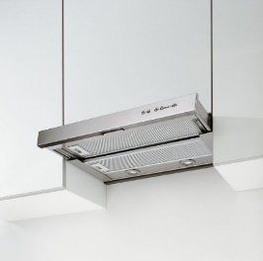
070A4703 | BEST ES 10 S2 C2 SL 2FM MET A 60 | 60 |  | € 121.00 | 1 | 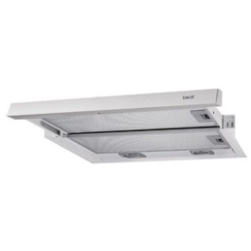
070B5525 | BEST RIMINI K18L E1C2 PU-CR 2FM XS F90 CA.IT. | 90 | xs | € 225.00 | 2 | 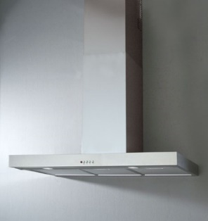
070C0027A | SAVO ES-417 S1A2BA GR3/AL. A60 - 90656 | 60 |  |  | 1 | 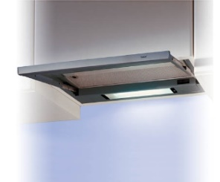
07332703A | ROSIERES P197 P-C M1A2SLBL1 F52 RHG580PN | 52 |  | € 132.00 | 1
07332850A | ROSIERES P197 P-C HF6A2SL XS RHG5600IN | 52 | xs | € 179.00 | 1
07334870A | DE DIETRICH PASC650 FPX HF8 XS F53 DHG690XP1 | 52 | xs |  | 2
07555021A | THERM.415/2015 M1C2BA MET A90 SLIM HIDE9 | 90 |  |  | 1
7758101 | BEST STRIP VETRO 900 WHITE EM | 90 | White | € 2,130.00 | 2 | 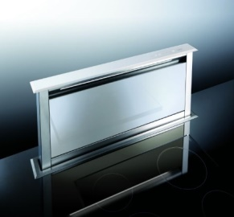
077A5703 | BEST CESENATICO K7053S1C2PUXS AF 60(K7052/12)CAT.IT | 60 |  | € 297.00 | 6
077A6203 | BEST CANAZEI K9556 S1 C2 PU XS A90 - CAT.ITALIA | 90 | xs | € 380.00 | 1
077B2850A | SMEG IS7099 P-A BLDC D4 EL. XS A/F AUST island hood | 90 | xs | € 2,800.00 | 2 | 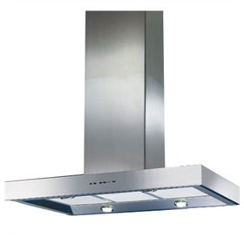
077C4702A | BEST K25L L1A2ELS XS304 F90 120V60Hz DIS | 90 | xs |  | 1 |  | 120 volt
077C4703A | BEST K25L L1A2ELS XS304 F30"120V60Hz DIS | 90 | xs |  | 1 | 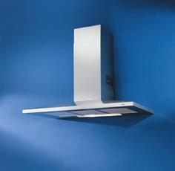 | 120 volt
077F2050 | SAVO IS-505 EXT.P-B XS 90574 |  | xs |  | 2
077F2051 | SAVO IS-505 EXT.P-B WH 92574 |  |  |  | 2
077G6100A | ROSIER. ANDALO M1A3ES XSAF120 RDM121/1IN |  | xs |  | 1
077L7100A | AIRLUX IS7886 PI T1A4 EL3 XS A/F AHI99IX |  | xs |  | 1
077M3027A | SMEG K181 PL M1A2EL XS A/F90 K181X90 AUS | 90 | xs |  | 2
077M3513 | BEST K181V M1A2EL XS A/F 90 BEST D. | 90 | xs |  | 1 | 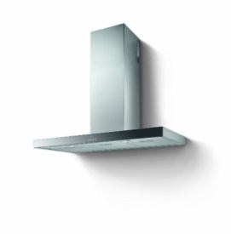
077N1005 | BEST FRANCAVILLA KB300 S1 A2 PU XS A 90 cat.it. | 90 | xs | € 265.00 | 1
077N1015 | BEST FRANCAVILLA KB300 S1A2PU XS F60 Cat.It. | 60 | xs | € 250.00 | 21 | 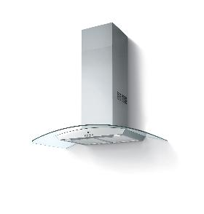
07950063A | SAVO 413/2015 S1C2SL W2 F60 90602 | 60 |  |  | 1
7951004 | BEST AREZZO 04/ES414 S2C2SL MET/XS A60-BEST D. | 60 | xs | € 170.00 | 1 | 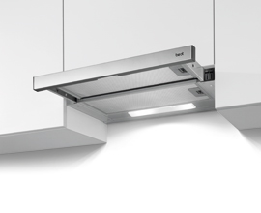
07954610A | THERM.415/2015 M1C2BA MET A60 SLIM HIDE6 | 60 |  |  | 1
7954900 | M-SYSTEM 415/2015 M1D2BA MET.A60 MVK60 | 60 |  |  | 1
7954901 | M-SYSTEM 415/2015 M1D2BA MET.A90 MVK90 | 90 |  |  | 1
07AE0095 | BROAN US-PM390 HS SILVER | 52 | silver | € 216.00 | 1 | 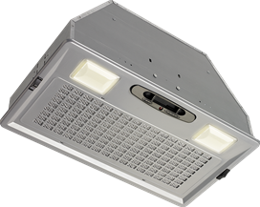
07AE0683 | KENMORE-PRO US-IS8 HS XS 56053 island chimney | 102 | xs | € 2,300.00 | 1 | 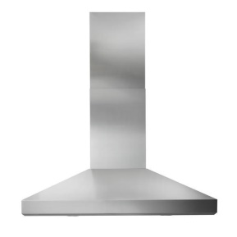
07AE4557 | BROAN ELI.US-K5339 HS XS36" RM523604 | 92 | xs | € 570.00 | 1 | 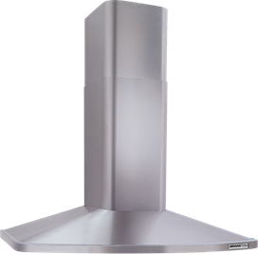
07D16013 | BEST SP2195-3 S1L1SL VM 3+1 W2 A50-TANGO |  |  |  | 1
07D30044 | MULTISTAR SP2196-3 S1L2PU XS A80 | 80 | xs | € 152.00 | 1
07D30544 | BEST PAVIA SP2196-3 S1C2PU /CR XS A90 TT C.IT | 90 | xs | € 150.00 | 5
07D40002 | DE DIETRICH K BOX XS A60 DHC1516X | 60 |  | € 270.00 | 2
07D40003 | DE DIETRICH K BOX XS A90 DHC1519X | 90 |  | € 290.00 | 4
07E02076A | GLEM P780L1A2EL2FM XSF70 GHF77IX | 70 | xs | € 144.00 | 1
07E03519 | GLEM P560 M1A2EL 2FM XS F52 GHF65IX | 52 | xs | € 144.00 | 3 | 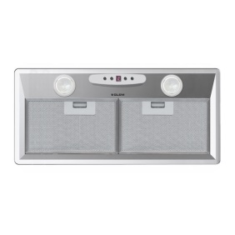
07E05062A | BEST GARDA P780.B P-D V3A2EL FM XS A70 | 70 |  | € 283.00 | 1
07E07027A | MALLOCA PASC780 P-BFPXL1A2ESDXSF70 K7205 | 70 |  | € 283.00 | 1
07E07205 | KRONA PASC780 FPX L1A2ESD FM XS A70 | 70 |  | € 283.00 | 1 | 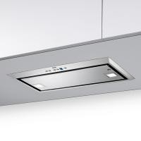
07EC0363 | BEST P195P2M70SB | 70 |  | € 225.00 | 1 | 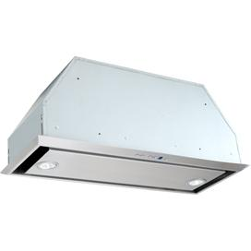
07F00001 | BEST IPSY L P_S S1 A2 PU A/F XS 90 | 90 | xs | € 322.00 | 4 | 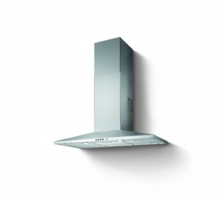
07F10000 | BEST LUNA P_S L1 A2 ELD A/F XS 60 | 60 | xs | € 447.00 | 6 | 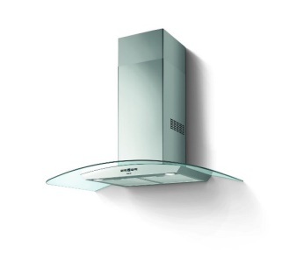
07F21800A | BEST QUADRA 800 P-B L1 A2 EL F BL/XS |  | bl/xs | € 883.00 | 3 | 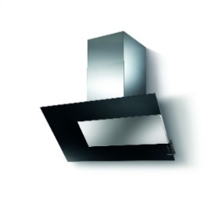
07F22180 | SAVO EYE 550 EM A2 EL BL/XS 86510 |  | xs |  | 1 | 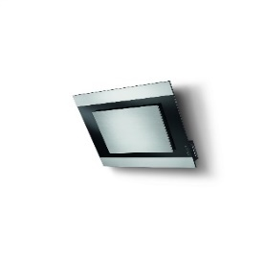
07F23801A | BEST VINTAGE L1A3S.T.P-S FXL 120V DISTR. | 63 | xs | € 1,620.00 | 1 | 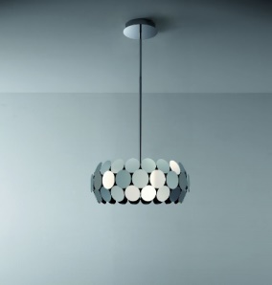
07F27001 | BEST BEL AIR S1 C2 SL XS A/F 90 | 90 | xs | € 260.00 | 12
07F27100 | BEST BEL AIR S1C2 SL XS H100 A/F60 | 60 | xs | € 240.00 | 5
07F27101 | BEST BEL AIR H100 S1 C2 SL XS A/F 90 | 90 | xs | € 272.00 | 1
07F28001 | BEST ICE S1 A2 PU XS A/F60 | 60 | xs | € 315.00 | 3 | 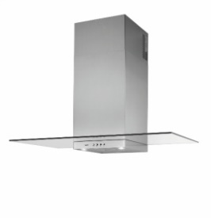
07F31000 | BEST DARK VT M1 A2 RO 3V F 80 XS | 80 | xs | € 499.00 | 6 | 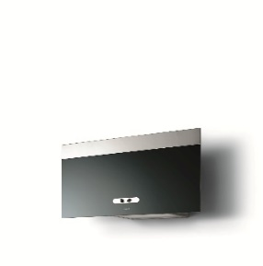
07F50003 | BEST GLOSS A/FXS 120/60hz IS505*SHIH LEI |  | xs | € 1,351.00 | 2 | 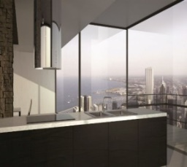 | 120 volt
07F56200 | BEST OVER SIDE DX ASC L1 D3 EL F XL 90 | 90 | xs | € 2,310.00 | 1 | 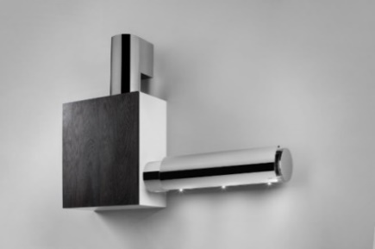
07F57300A | BEST LIVING CIRRUS GLASS/WH A PB | 110 x 70 | white/glass | € 2,100.00 | 4 | 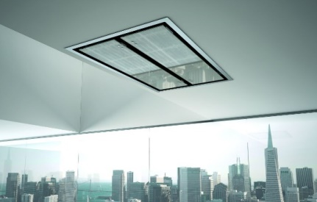
07F59100 | BEST MUST T1A2 ES XS VT A/F 120 SHIH LEI | 120 | 2002 | € 649.00 | 1 | 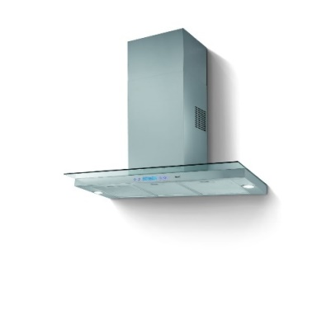
07F64202A | EXPO SV600 HF8D2CT BL F P-LIGHT 67601006 | 60 |  |  | 1 | 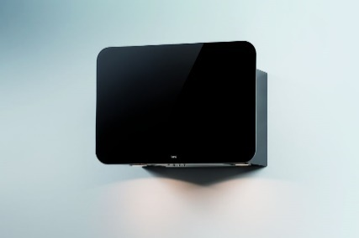
07F94001 | BEST IRIS 800 L1D2 STEEL T. BL F P.LIGHT | 80 |  | € 363.00 | 5 | 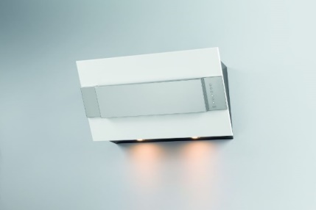
07G00501A | BEST EQUINOX L1A2 S.T 4V CR/WH P-B | 80 |  | € 1,499.00 | 1 | 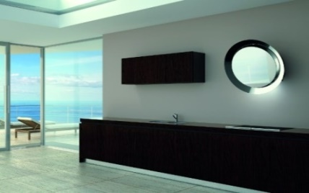
07G03701 | BEST FUSION L1A2 S.T 4V GOLD XL/VT 800 F | 80 |  | € 1,660.00 | 2
07G03702A | BEST FUSION P-B L1A2SOFTT XS/V.ST.SOL | 80 | xs | € 1,370.00 | 1 | 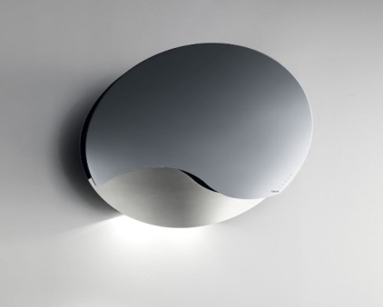
07G05052 | BEST KEYS ASC550 HF8 D2 EL F UP CA/XL | 55 |  | € 1,470.00 | 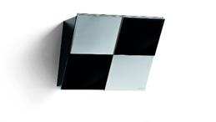 5
07G05600 | BEST TETRIS ASC L1 D2 EL F UP XS 30 |  | xs | € 1,680.00 | 3 | 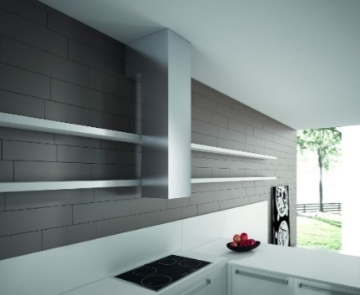
07G05800 | BEST SHIELD L1 A2 ES F BL 90 | 90 | bl/xs | € 987.00 | 1 | 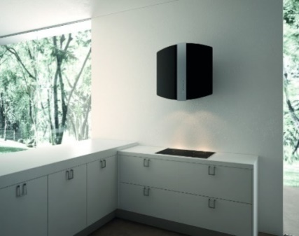
07G06003 | BEST GHOST M1 A2 PU F60 XS D332 | 60 | xs |  | 1 | 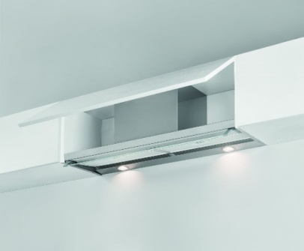
07G10001 | SAVO SKY EM D1 500 XS da rifare |  | xs |  | 2
07G10051 | SAVO SKY L1 D1 500 XS da rifare |  | xs |  | 1
07L00050 | BEST JOINT ASC900 T1D2CT A/F XS SHIH LEI | 90 | xs | € 999.00 | 1 | 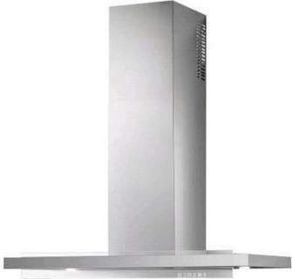
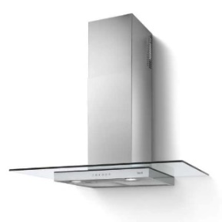
07PA4500 | BEST TAU L1 A2 ST A/F60 XS | 60 | xs | € 169.00 | 4
07PA4503 | BEST TAU L1A2ST F90 XS 120v/60Hz DISTRIB | 90 | xs | € 188.00 | 1 |  | 120 volt
07PA4701 | SAVO TAU EM D2 ST XS A90 90424 | 90 | xs | € 188.00 | 1
07PA4951 | SAVO SIGMA P-D EM D2 XS 60 90468 | 60 | xs | € 181.00 | 1 | 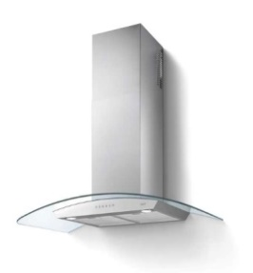
07PC0101 | BETA HF6 A2 PU XS H.6 2FM F90 67600919 | 90 | xs | € 143.00 | 2 | 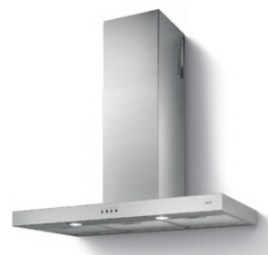
07PC0582 | SAVO DELTA EM A2 PU XS A60 90361 | 60 | xs | € 400.00 | 1 | 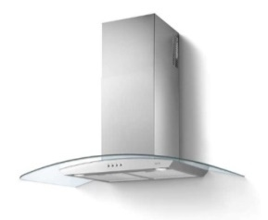
07PC0583 | SAVO DELTA EM A2 PU XS A90 90362 | 90 | xs | € 450.00 | 1
07PC2202 | SAVO RHO EM A2 PU XS A90 90419 | 90 | xs | € 519.00 | 1 | 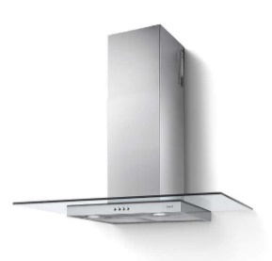
07PC2203 | SAVO RHO EM A2 PU XS A60 90418 | 60 | xs | € 499.00 | 1
 |  |  |  |  | 199

